A message from us
 | Hey there,

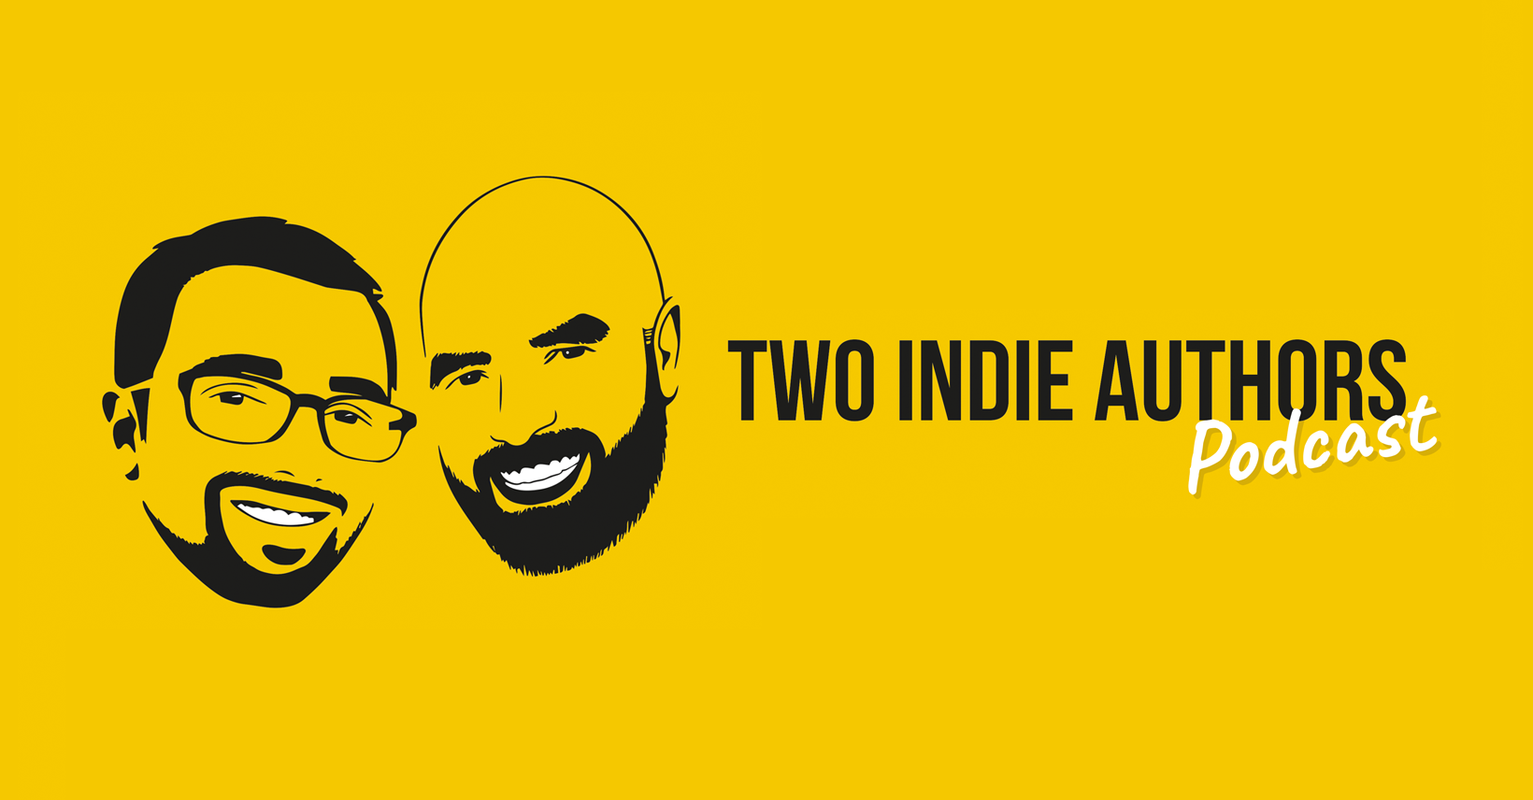 | We have said multiple times on the podcast that treating your indie author career like a business. Part of that, is getting to grips with your sales data and your readthrough rates. This can help you make informed decisions, especially when it comes to marketing. Hopefully, this tracker will be able to help you do that. Please take some time to read through the instructions. The sheet is set up to calculate everything for you, so start entering your data and let it get to work. If you need any further support, please feel free to reach out to us in our Facebook group or by email at: info@twoindieauthors.co.uk Remember, the Two Indie Authors are here for you. Good Luck. Robert Enright & David B. Lyons

Instructions
 | Follow these intructions to set up your spreadsheet and track your sales and readthrough data. If you have any problems, just drop a message in the Two Indie Authors Facebook group.

 | Pre-2024 Data Tab - (PLEASE NOTE: You will only have to fill in this sheet once as it is historic data)
 | The spreadsheet is designed to tracker your overall sales, page read, royalties etc. To do so, you need all your historic data since you started writing. This can be found on the reporting dashboard for KDP, Kobo, Apple etc.
1 | Go to the Pre-2024 Data tab at the bottom of the sheet
2 | In column A where it says Book 1, enter the name of your book.
3 | In column B, enter the total number of sales you have had for that book up until 31st December 2024. (If you are wide, include all platforms.)
4 | In column C, enter the total number of page reads you have had for that book up until the 31st December 2024. (KU Only)
5 | In column D, enter the total royalties you have earnt against that book up until the 31st December 2024. (if you are wide, include all platforms)
6 | You will see that the totals in Column I have updated. These will calculate the totals for all your books combined.
7 | Repeats steps 2-5 for Book 2, and every book you have to track all historic data.
 |  | This will then provide a total in column I for sales, page reads and Royalties.

8 | In column V, there is a table to track audio book sales and royalties if you have them.
9 | If so, follow the same process as before and enter your book name in column V, then the sales in column W and then the royalties in Column X.
10 | Once these have been added, it will update the totals in Column R.
11 | The royalties for your books and audio books are then combined in the Total Royalties box in at the bottom.

 | Once you have entered all this information, you do not need to do anything else until the end of January, where you will then start tracking your sales month on month in the 2024 tab.

 | If you now go to the Overall Sales Sheet tab, you will see that it has now populated all of your historic information on the tracker, and even split it out by book.
 | (This sheet will pull the historic information and combine with your 2024 information as you update it)

12 | To make your Overall Sales Sheet tab look prettier, you can upload your covers to the file. To do so, click Insert at the top of the sheet and then Illustrations.

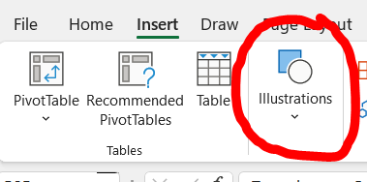

13 | Select Picture.
14 | Select This Device
15 | Find your book cover image from your computer and then click Insert.
16 | You can then move the image to the template that has been laid out on the sheet and then resize it to fit the box.
17 | Do this for all your book covers. (It makes it look super pretty)

 | Adding your 2024 Data to the sheet
18 | On your 2024 tab, you will see that it looks similar to your Pre-2024 Data tab. However, you DO NOT update the top tables. (There are important formulas in them, so please do not type over them!)
19 | In Row 34, there is a place for you to put your book name in. Please ensure you keep your books in the same order as the Pre-2024 data, as it will combine them all together.
20 | Add all your books in the column.
21 | Further down in Row 51, there is the same table for Audio books. Once again, if you have audio books, please ensure they are in the same order as your other books.
22 | At the end of each month (when the data is available), enter in the sales, page reads and royalties for each book in that months table.
 |  | E.g. At the end of January, populate columns B, C and D for your books.
 |  | This will then populate the tables at the top of the 2024 tab.
 |  | This will also add your Jan 2024 information to the Overall Sales Sheet.
23 | Do this month on month to keep a firm track on your monthly, annual and overall book and audio book sales, as well as seeing the split between your books.

 | Readthrough Calculator
 | First off, do not worry about the #DIV/0! That you can see. This is because the % formula has nothing to work out yet. Once you populate the sheet, it will begin to calculate.
 | If you write stand alones, it may be tricky to calculate as easily as a series as it's hard to know what order they've been read.
24 | Enter your books in the same order as before.
25 | In column B, please enter the price you sell thise books for. The sheet will then work out the royalty based upon Amazon's royalty rules in Column C.
26 | Column D will then calculate the % of people who go from that book to the next.
 |  | E.g. if 100 people buy book 1, and then 80 buy book2, then it works out an 80% read through rate.
 |  | Remember, these numbers pre-populate based on the numbers you have entered in the pre-2024 and 2024 tabs.
27 | The Potential Readthrough Value combines all of the royalties together, based on how many books you have. This then tells you the potential value of a sale of book one if that reader was to read through the whole catalogue of books.
 |  | This is very useful. If your potential readthrougyh value is £20, then paying £5 for a sale through adds will net you a profit of £15.
28 | The AVERAGE READTHROUGH will only calculate once then are no more #DIV/0! On your table.
 |  | If you do not have 10 books, then you can delete the rows out of the table so you only have the number for your books.

Right, you are all set. Remember, if you have any questions, please reach out to us in the Two Indie Authors Facebook Group!

